Ground Survey Design
WAFWA's Lesser Prairie-Chicken Ground Survey Design
Provided for U.S. FWS Survey Protocol for the Lesser Prairie-Chicken (updated March 2023)

STEPS
1. Define the Area of Interest (AOI) for the Survey
The AOI is defined by the Service. Generally, it is the area of direct and indirect impacts that the project/action may have on the species. Consider all the direct impacts associated to the project, such as the project footprint (action area), the ingress/egress roads, utility or pipeline installation associated to the project, and equipment or material staging areas. The indirect impacts include the noise or other disturbance resultant of the direct impacts which have the potential to impact the species. Instead of defining the area of indirect impacts, the Service provides protocol to buffer the direct impact area by 3-miles.

2. Define the Potentially Suitable Habitat & Other Potential Lekking Areas
Within the AOI, identify the areas of Potentially Suitable Habitat, as well as, non-habitat areas the LPC may use for lekking (such as cropland, fallow fields). Refer to the Lesser Prairie Chicken Species Status Assessment, USFWS 2021, for details. Alternatively, provide a survey that covers the entire AOI.

3. Establish Survey Points at 1-mile Intervals
Set defined survey points (GPS points) at one-mile intervals or less, which fully cover the AOI's habitat, as defined in Step 2.

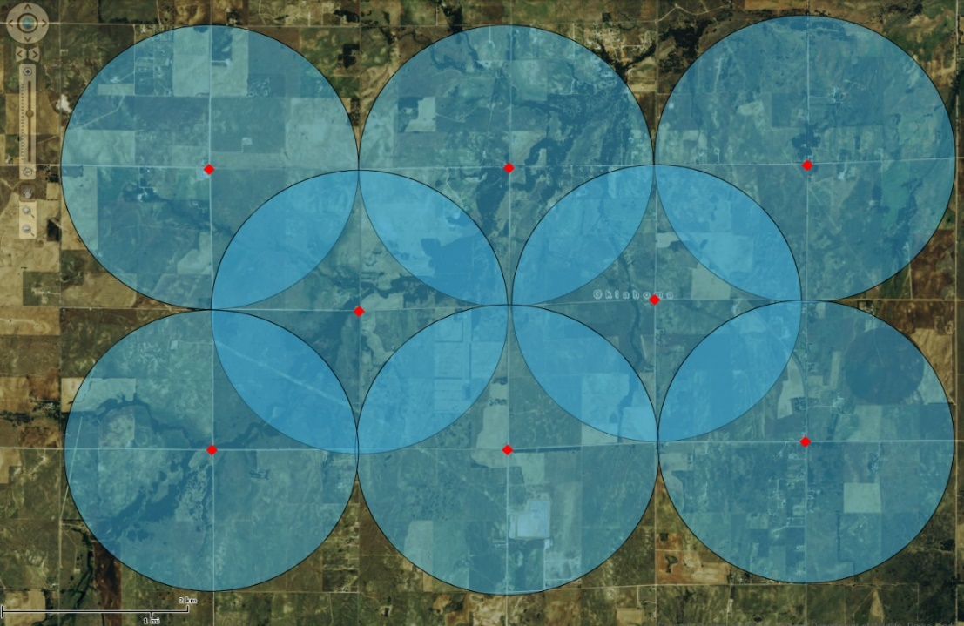

Figure 1. Hypothetical sampling design for ground based surveys which are staggered to ensure that the 1 mile detection buffer provides completed coverage while maximizing efficiency.

Ground Survey Form
WAFWA's Lesser Prairie-Chicken Ground Survey Form
Provided for U.S. FWS Survey Protocol for the Lesser Prairie-Chicken (updated March 2023)

Survey Date: |  | Survey Period is Mar 15 - May 7 |  |  |  | Sunrise Time: |  |  |  |  |  | DPS:
 |  |  |  |  |  | Start Time: |  | No earlier than 30 minutes before sunrise. |  |  |  | Ecoregion:
Surveyors: |  |  |  |  |  | End Time: |  | No later than 90 minutes post sunrise. |  |  |  | State, County:
Surveyed For: |  |  |  |  |  | Weather: |  | Stop if rain/snow or wind speeds >12 mph. |  |  |  | Habitat:

Search Point |  |  |  |  |  | Observation |  |  |  | Triangulation: when birds are heard but can not be seen
Search Point ID | Time | Wind | Temp (°F) | Noise | Noise Type | Type | Bird Count | Range (m) | Bearing (°) | Lek Point ID | Range (m) | Bearing (°) | Notes
CZ099_1 | 6:50:00 | 1 - 3 mph | 63 | Low | Traffic | Audible | -- | 120 | 45 | CZ099_1x | 230 | 344 | On neighboring property

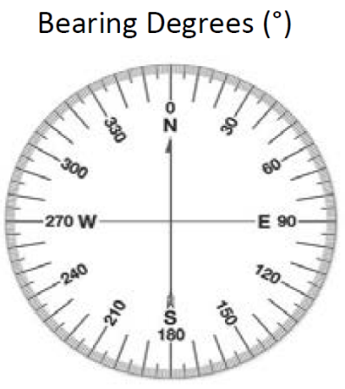
 |  |  |  |  |  |  |  |  |  | *Survey Dates: Two surveys must occur between March 15 – May 7,
Notes: |  |  |  |  |  |  |  |  |  | minimum of one survey occurring in April. Surveys one week apart.
 |  |  |  |  |  |  |  |  |  | Weather: Rain, Mist, Snow, Sunny Cloudy, Partly Cloudy
 |  |  |  |  |  |  |  |  |  | Distinct Population Segment (DPS): Northern, Southern
 |  |  |  |  |  |  |  |  |  | Ecoregion: Mixedgrass, Shortgrass, Sandsage, Shinnery Oak Prairie
 |  |  |  |  |  |  |  |  |  | GPS Point ID: Provide as a GPS shapefile with this form.
 |  |  |  |  |  |  |  |  |  | Wind Speed: <1 mph = smoke rises vertically, 1-3 = direction shown by
 |  |  |  |  |  |  |  |  |  | smoke drift, 4-7 = leaves russle, 8-12 = leaves and light twigs in motion.
 |  |  |  |  |  |  |  |  |  | Noise: None, Low, Moderate, High
 |  |  |  |  |  |  |  |  |  | Noise Type: Known or assumed source(s) of noise
Provide GPS point data in the Projected Coordinate System: |  |  |  |  |  |  |  |  |  | Type: Audible (birds heard), Visual (birds seen), None (no birds)
USA Contiguous Albers Equal Area Conic USGS version |  |  |  |  |  |  |  |  |  | Bird Count: Total number of birds seen.
 |  |  |  |  |  |  |  |  |  | Range (m): Distance or approx. distance to bird observation.
▪Gear: range finder, compass, bionoculars. |  |  |  |  |  |  |  |  |  | Bearing (°): Compass bearing in degrees to bird observation.
 |  |  |  |  |  |  |  |  |  | Triangluation: If birds are heard but not seen, move to a second location
USFWS Protocol: https://www.fws.gov/media/ |  |  |  |  |  |  |  |  |  | 70-110 degrees away. Record GPS point, range and bearing.

