Ground Survey Form
WAFWA's Range-Wide Oil & Gas Candidate Conservation Agreement with Assurances for the Lesser Prairie-Chicken (Tympanuchus pallidicinctus)
Ground Based Lek Survey Form
(updated Jan 2026)

Survey Date: |  | Survey Period is Mar 15 - May 7 |  |  |  | Sunrise Time:
 |  |  |  |  |  | Start Time: |  | No earlier than 30 minutes before sunrise. |  |  |  | Ecoregion:
Surveyors: |  |  |  |  |  | End Time: |  | No later than 90 minutes post sunrise. |  |  |  | State, County:
Surveyed For: |  |  |  |  |  | Weather: |  | Stop if rain/snow or wind speeds >12 mph. |  |  |  | Habitat:

Search Point |  |  |  |  |  | Observation |  |  |  | Triangulation: when birds are heard but can not be seen
Search Point ID | Time | Wind | Temp (°F) | Noise | Noise Type | Type | Bird Count | Range (m) | Bearing (°) | Lek Point ID | Range (m) | Bearing (°) | Notes
CZ099_1 | 6:50:00 | 1 - 3 mph | 63 | Low | Traffic | Audible | -- | 120 | 45 | CZ099_1x | 230 | 344 | On neighboring property

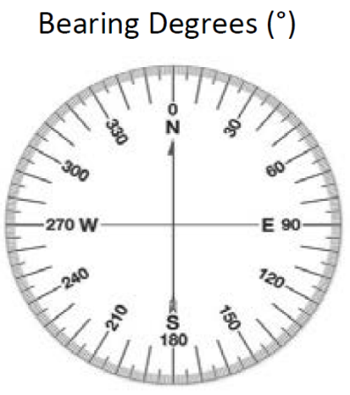
 |  |  |  |  |  |  |  |  |  | Survey Dates: Two surveys must occur between March 15 – May 7,
Notes: |  |  |  |  |  |  |  |  |  | minimum of one survey occurring in April. Surveys one week apart.
 |  |  |  |  |  |  |  |  |  | Weather: Rain, Mist, Snow, Sunny Cloudy, Partly Cloudy
 |  |  |  |  |  |  |  |  |  | Ecoregion: Mixedgrass, Shortgrass, Sandsage, Shinnery Oak Prairie
 |  |  |  |  |  |  |  |  |  | GPS Point ID: Provide as a GPS shapefile with this form.
 |  |  |  |  |  |  |  |  |  | Wind Speed: <1 mph = smoke rises vertically, 1-3 = direction shown by
 |  |  |  |  |  |  |  |  |  | smoke drift, 4-7 = leaves russle, 8-12 = leaves and light twigs in motion.
 |  |  |  |  |  |  |  |  |  | Noise: None, Low, Moderate, High
 |  |  |  |  |  |  |  |  |  | Noise Type: Known or assumed source(s) of noise
 |  |  |  |  |  |  |  |  |  | Type: Audible (birds heard), Visual (birds seen), None (no birds)
Provide GPS point data in the Projected Coordinate System: |  |  |  |  |  |  |  |  |  | Bird Count: Total number of birds seen.
USA Contiguous Albers Equal Area Conic USGS version |  |  |  |  |  |  |  |  |  | Range (m): Distance or approx. distance to bird observation.
 |  |  |  |  |  |  |  |  |  | Bearing (°): Compass bearing in degrees to bird observation.
Gear: range finder, compass, bionoculars, anemometer. |  |  |  |  |  |  |  |  |  | Triangluation: If birds are heard but not seen, move to a second location
 |  |  |  |  |  |  |  |  |  | 70-110 degrees away. Record GPS point, range and bearing.

